Convert DD Usage to Coralogix
DD Usage |  |  |  |  |  |   |  | 

Infra Hosts | Custom Metrics | Indexed Logs - Live & Rehydrated (Million) | Indexed Logs - 3 Day Retention (Million) | Rum Sessions | Serverless Invocation
1091 | 167,000 | 0 | 235 |  | 248,000
Ingested Spans (GB) | Indexed Spans (Million) | Ingested Logs (Live & Rehydrated) (GB) | Indexed Logs - 7 Day Retention (Million) | Analyzed Logs - (Security) - 15m retention (GB) | Fargate Tasks
16,100 | 6 | 283,000 | 13,600 | 0
APM Hosts | Profiled Hosts | Containers | Profiled Containers | Custom Events | Serverless Workload Functions
57 | 57 |  | 0 | 11,800
Error Tracking Events | APM Fargate Tasks | Profiled Fargate Tasks
53400 | 21 | 0
 |  |  |  |  |  | Convert Hourly
Coralogix Sizing |  |  |  |  |  |  | Hourly | Hosts
 |  |  |  |  |  | Infra Hosts | 714,000 | 1091 | Enter Hourly Infra Hosts
Logs |  |  |  | Logs |  | Containers | 0 | 0 | Enter Hourly Containers
Total Ingested Logs | 283,000 | GB/month |  | 11.66% | Current indexed percentage | Profiled Containers | 0 | 0 | Enter Hourly Profiled Containers
Avg log size | 2.50 | KB |  | 9433 | Total GB Logs / Day | APM Hosts | 37,100 | 57 | Enter Hourly APM Hosts
Total Indexed Logs | 13,835,000,000 | Logs/month |  | 943 | GB / Day (FS) / 10% | Profiled Hosts | 37,000 | 57 | Enter Hourly Profiled Hosts
Total Indexed Logs Size (Bytes) | 35,417,600,000,000 | Bytes/month |  | 6603 | GB / Day (Mon) / 70% | Network hosts | 0 | 0 | Enter Hourly Network hosts
Total Indexed Logs Size (GB) | 32985.21 | GB/month |  | 1887 | GB/ Day (Comp) / 20% | Custom Metric Hours | 0 | 0 | Enter Hourly Custom Metrics
Total Indexed (GB) | 1099.51 | GB / Day
 |  |  |  | Metrics |  |  | Monthly | Daily
Metrics |  |  |  | 1,160,900 | TS (NumSeries) | Serverless Workload Functions | 0 | 0 | Enter Monthly Serverless Workload Functions
Hosts | 1226 |  |  | 1161 | GB / Day | RUM Sessions | 18 | 1 | Enter Monthly RUM Sessions
Containers | 0 |  |  | 0.000033 | TS to Units | Serverless Invocations | 248,000 | 8,158 | Enter Monthly Serverless Invocations
Serverless Workload Functions | 0 | TS (NumSeries)
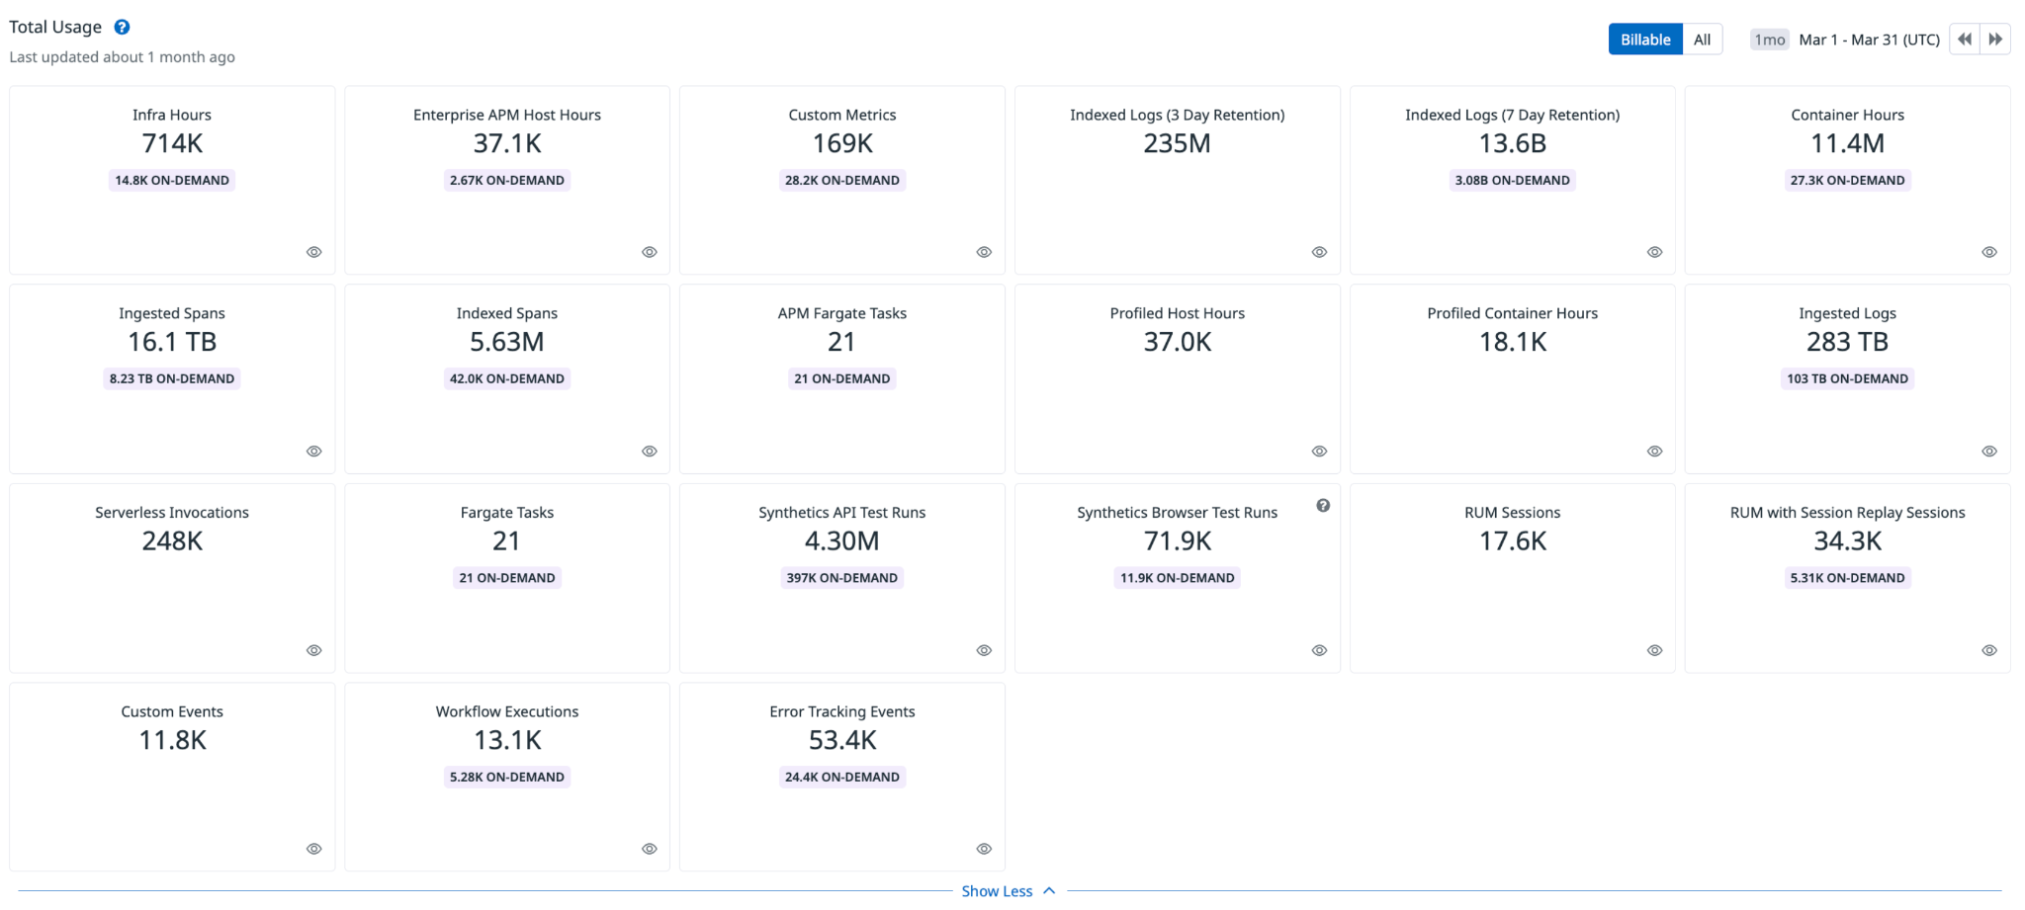
Serverless Invocation | 74,400 | TS (NumSeries) | 3 metric labels × 10% unique dimensions × daily invocations | 38 | Metrics Units / Day
AVG 750 time series per node | 919,500 | TS (NumSeries)
Custom Metrics | 167,000 | TS (NumSeries) |  | Tracing
Promethues Metrics |  | NumSeries |  | 0.05% | Current indexed percentage
 |  |  |  | 537 | Total GB / Day (Ingest)
Tracing |  |  |  | 0 | Indexed Tracing GB/Day
Avg span size | 2 | KB |  | 536 | GB Traces Archive
Ingested spans | 16,100 | GB/Month |  | 0 | GB Traces Indexed
Indexed spans | 8 | GB/Month
Daily Ingested spans (Bytes) | 537 | GB/Month |  | Totals
 |  |  |  | Logs (GB) | 9,433
 |  |  |  | Metrics (NS) | 1,160,900
 |  |  |  | Tracing (GB) | 537
 |  |  |  | RUM Sessions
 |  |  |  | RUM Errors | 1,780

 |  |  |  | Apply this information to the TCO Calculator

